Q9
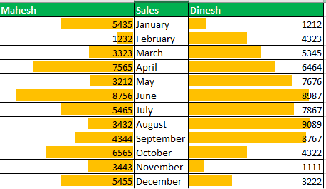
Make a comparision chart to compare sales of Mahesh and Dinesh

